Burberry Miu Miu offer list
brand | photo | gender & description | material | color | art code | color code | made in | 35 | 35.5 | 36 | 36.5 | 37 | 37.5 | 38 | 39 | 39.5 | 40 | 40.5 | 41 | M | NS | q.ty | retail price | tot value retail
Burberry |  | MEN'S SMALL ACC | 100%ALLIGATOR SKIN (ALLIGATOR MISSISSIPPIENSIS) | CLAY/ | 3801622 | 21070 | Italy |  |  |  |  |  |  |  |  |  |  |  |  |  | 1 | 1 | € 595.00 | € 595.00
Burberry | 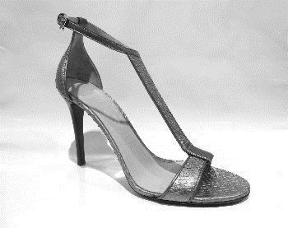 | WOMENS SHOES | 100%PYTHON SKIN (PYTHON RETICULATUS) | BLACK/ | 3872006S | 100 | Italy |  |  |  | 1 |  |  |  |  |  |  |  |  |  |  | 1 | € 750.00 | € 750.00
Burberry | 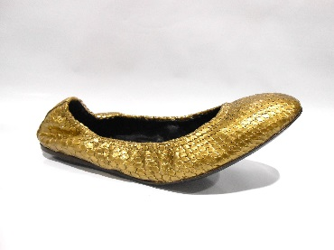 | WOMENS SHOES | 100%PYTHON SKIN (PYTHON RETICULATUS) | GOLD/ | 3877564 | 71200 | Italy | 1 |  | 1 |  | 1 |  | 1 | 1 |  | 1 |  |  |  |  | 6 | € 475.00 | € 2,850.00
Burberry | 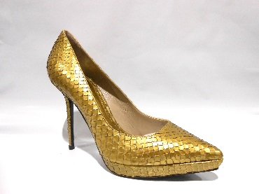 | WOMENS SHOES | 100%PYTHON SKIN (PYTHON RETICULATUS) | GOLD/ | 3877566 | 71200 | Italy | 1 |  | 1 |  |  |  |  |  |  |  |  |  |  |  | 2 | € 650.00 | € 1,300.00
Burberry | 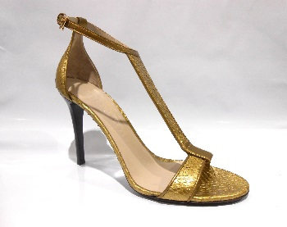 | WOMENS SHOES | 85%PYTHON SKIN (PYTHON RETICULATUS) 15%SHEEP GRAIN LEATHER (OVIS ARIES) | GOLD/ | 3877567 | 71200 | Italy | 1 |  | 1 |  | 1 |  |  | 1 |  | 1 |  |  |  |  | 5 | € 725.00 | € 3,625.00
Burberry | 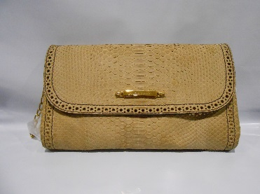 | WOMENS BAGS | 100%BURMESE PYTHON SKIN (PYTHON MOLURUS BIVITTATUS) | LIGHT TAN/ | 3882185 | 21210 | Italy |  |  |  |  |  |  |  |  |  |  |  |  |  | 1 | 1 | € 1,250.00 | € 1,250.00
Burberry | 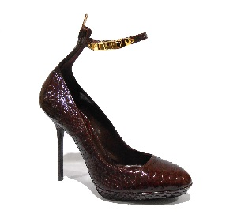 | WOMENS SHOES | 80%RED BLOOD PYTHON SKIN (PYTHON CURTUS BRONGERSMAI) 20%GOAT LEATHER (CAPRA HIRCUS) | DARK BORDEAUX/ | 3886398 | 50220 | Italy |  | 2 | 1 | 1 |  | 1 | 3 | 4 | 3 |  | 1 |  |  |  | 16 | € 725.00 | € 11,600.00
Burberry | 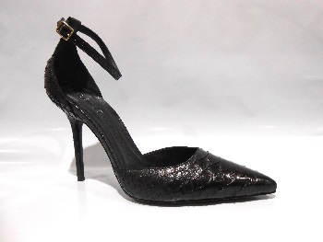 | WOMENS SHOES | 100% LEATHER | BLACK/ | 3909265 | 100 | Italy |  |  |  | 1 | 1 | 1 | 1 | 2 | 2 | 1 | 1 | 2 |  |  | 12 | € 595.00 | € 7,140.00
Burberry | 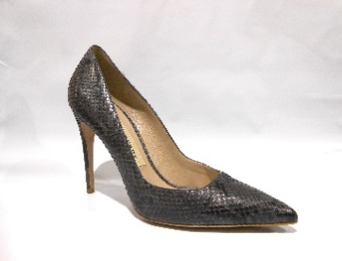 | WOMENS SHOES | 100%PYTHON SKIN (PYTHON RETICULATUS) | MID GREY MELANGE/ | 3926827 | 3100 | Italy |  |  | 5 |  | 2 |  | 2 | 1 |  | 1 |  |  |  |  | 11 | € 595.00 | € 6,545.00
Burberry | 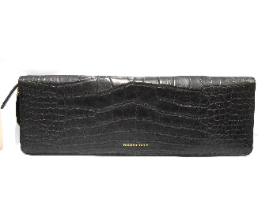 | WOMENS SMALL ACC | 100%ALLIGATOR SKIN (ALLIGATOR MISSISSIPPIENSIS) | BLACK/ | 3969883 | 100 | Italy |  |  |  |  |  |  |  |  |  |  |  |  |  | 1 | 1 | € 3,595.00 | € 3,595.00
Burberry | 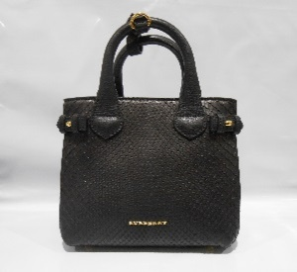 | WOMENS BAGS | 100%BURMESE PYTHON SKIN (PYTHON BIVITTATUS) | BLACK/ | 4014145 | 100 | Italy |  |  |  |  |  |  |  |  |  |  |  |  |  | 1 | 1 | € 2,495.00 | € 2,495.00
Burberry |  | WOMENS SMALL ACC | 100%ALLIGATOR SKIN (ALLIGATOR MISSISSIPPIENSIS) | DEEP CLARET/ | 4030050 | 60970 | Italy |  |  |  |  |  |  |  |  |  |  |  |  |  | 6 | 6 | € 1,895.00 | € 11,370.00
Burberry | 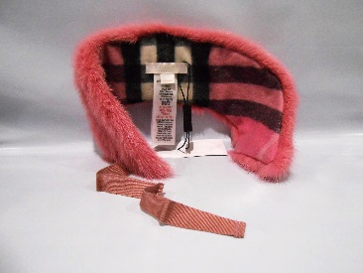 | CA SOFT ACCESSORIES | 100%MINK (NEOVISON VISON) | ROSE PINK/ | 4031110 | 66410 | Italy |  |  |  |  |  |  |  |  |  |  |  |  |  | 8 | 8 | € 595.00 | € 4,760.00
Burberry |  | WOMENS SMALL ACC | 100%ALLIGATOR SKIN (ALLIGATOR MISSISSIPPIENSIS) | FLAX BROWN/ | 4044805 | 21470 | Italy |  |  |  |  |  |  |  |  |  |  |  |  |  | 4 | 4 | € 975.00 | € 3,900.00
Burberry |  | WOMENS SMALL ACC | 100%ALLIGATOR SKIN (ALLIGATOR MISSISSIPPIENSIS) | DEEP CLARET/ | 4044808 | 60970 | Italy |  |  |  |  |  |  |  |  |  |  |  |  |  | 2 | 2 | € 975.00 | € 1,950.00
Burberry | 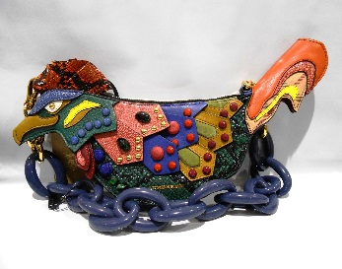 | WOMENS BAGS | 100%SNAKE SKIN (HOMALOPSIS BUCCATA) NOT FROM SINGAPORE | TEAL/ | 4055324 | 44020 | Italy |  |  |  |  |  |  |  |  |  |  |  |  |  | 1 | 1 | € 3,495.00 | € 3,495.00
Miu Miu |  | WOMAN BALLERINA | NAPPA+VIT.MONTANA WINTER 1 | black | 5F495A | F0002 | Italy |  |  |  |  |  | 2 |  | 2 |  | 1 |  |  |  |  | 5 | 690 | € 3,450.00
 |  |  |  |  |  |  |  |  |  |  |  |  |  |  |  |  |  |  |  |  |  | 81 |  | € 70,670.00

